Flow & Calc
 |  | Everything highlighted in Yellow needs to be set as variable in the backend

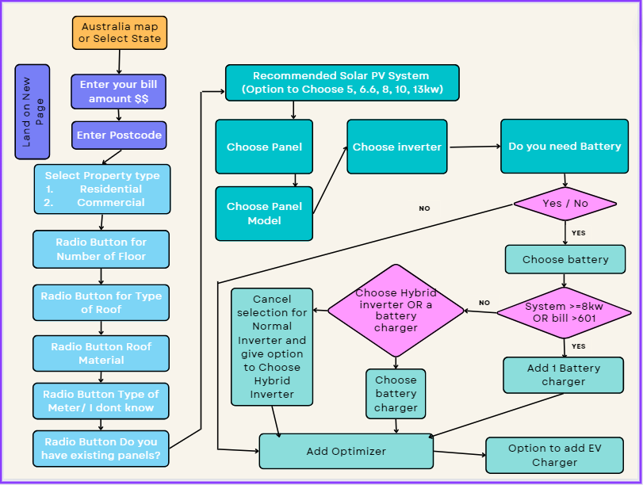

 | A | Selection of State from Australia map
 |  | ACT, NSW, SA, WA, NT, VIC, QLD, TAS

 | B | Enter your Quarterly bill amount $$

 | C | Postcode
 |  | xxxx (to be used for calculating STC)

 | D | Select Property type - Residential OR Commercial

 | E | Select your No of Floors
 |  | Single Storey or Multi Storey | $500 if Multi Storey

 | F | Select the type of Roof at your property
 |  | Pitched or Flat Roof | If Flat Roof ( tilt stands - $50/pannel)

 | G | Select your Roof material type
 |  | Tin / Colorbond | $0/panel
 |  | Klip-Lok | $40/panel
 |  | Tile | $10/panel
 |  | Concrete | $15/panel
 |  | Terracotta | $25/panel
 |  | Mixed Roof type | Call for consultation to pop up
 |  | Ground mount | Call for consultation to pop up
 |  | Asbestos | Call for consultation to pop up

 | H | Type of Metre (Inverter Pricing)
 |  | Single Phase | If 8Kw+ then add $400 and show in quote as Export limit. Show a pop up to explain
 |  | Two-Phase | Call for consultation to pop up
 |  | Three Phase | Add $800 and show in quote as 3 Phase installation. Show a pop up to explain
 |  | I don’t know

 | I | Do you have existing panels? | If yes, Add $400 as Panel removal cost in the quote.

 | J | Integrate delivery cost calculation based on distance | Refer the delivery cost calculation sheet

 | K | Discount | Only apply when customer adds a valid code.

 |  | Recommended Solar PV System - Residential
 |  | Quarterly Electricity Bill | Recommended Solar PV System
 |  | 1. 300-400 | 1. 5KW + 5 KW
 |  | 2. 401-600 | 2. 6.6KW + 5 KW
 |  | 3. 601-750 | 3. 8KW + 8 KW
 |  | 4. 750+ | 4. 9.9KW + 8KW

 |  | Then the whole flow from Selection of Panels starts here

 | Example Response Set
 | A | State | VIC
 | B | Quarterly Bill Amount | $500
 | C | Post Code | 3045
 | D | Property Type | Residential
 | E | No of Floors | Multi Storey
 | F | Type of Roof | Flat
 | G | Roof material | Klip-Lok
 | H | type of Meter | Single Phase
 | I | Do you have existing panels? | No
 |  | Recommended Solar PV System | 6.6KW + 5KW

 |  | Example quote
 |  | Recommended Solar PV System Size - 6.6KW
 |  |  |  | Qty | Price
 |  | Jinko 370 |  | 18 | $6,200.00
 |  | Growatt |  | 1 | $600.00
 |  |  |  | Discount | $(50.00) | Refer the table below for Dsicounts
 |  | 6.6KW Solar PV System - Subtotal Incl. GST |  |  | $6,750.00
 |  |  |  | Inclusive GST | $614.25 | GST % to be driven from Admin Panel
 |  |  |  | STCs X 91 | $3,185.00
 |  |  |  | Rebate | $1,400.00 | Refer the table below for Rebates by State
 |  | Make My Energy 6.6KW Solar PV System Total Incl. GST |  |  | $2,165.00

How to Calculate STCs?

As the customer enters the postcode, we can evaluate the Zone he belongs to. Zone will help us pick the appropriate rating.

Take the Postcode to Zone mapping from this URL - http://www.cleanenergyregulator.gov.au/DocumentAssets/Documents/Postcode%20zone%20ratings%20and%20postcode%20zones%20for%20solar%20panel%20systems.pdf

Take the Zone to Rating values from below:
Zone |  | Rating
1 |  | 0.0144
2 |  | 0.0138
3 |  | 0.0124
4 |  | 0.0106

STC price = 35 (Need functionality in Admin panel to update this value)
Number of STCs = (Rating x Panel Size x Panel Number) |  |  | Rounded down, digits after decimal holds no value
STC = STC Price x Number of STCs

How to pick up which rate is to be applied:
IF Battery has been selected, THEN pick up Battery rebate value for customer's state, ELSE pick up Panel rebate

Take the State specific rebates from below:
State |  | Panel rebate | Battery rebate
VIC |  | 1400 | 2950
NSW |  | 0 | 0
ACT |  | 0 | 0
SA |  | 0 | 0
WA |  | 0 | 0
NT |  | 0 | 0
TAS |  | 0 | 0
QLD |  | 0 | 0

Discuss how to generate/apply the discount options with MediaClock

Take the Discount values from below:
Discount code |  | Value ($)
ABC |  | 0
Test |  | -10

